2903_20200304
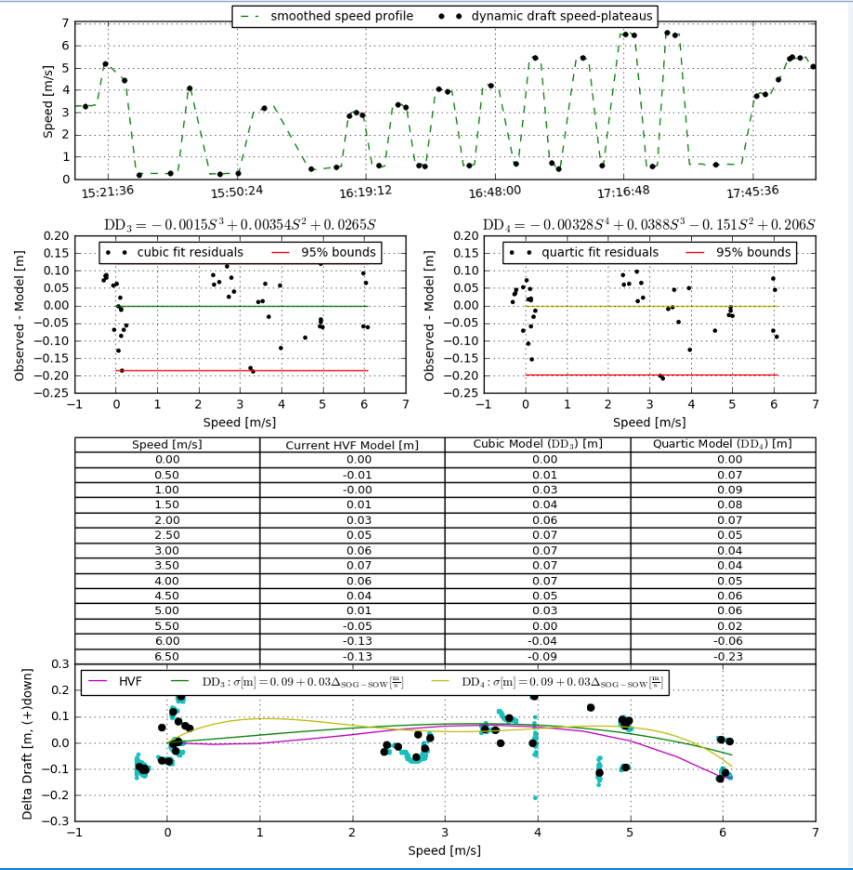
Speed M/S | Current HVF | Cubic Model | Cubic Model Diff | Cubic Model Diff Absolute Value | Quartic Model | Quartic Model Diff | Quartic Model Diff Absolute Value | Cubic Model, HVF Averages | HVF, Cubic Model Diff | Absolute Value | Vessel Difference
0 | 0 | 0 | 0 | 0 | 0 | 0 | 0 | 0 | 0 | 0 | 0 | Dynamic draft uncertainty
0.5 | -0.01 | 0.01 | 0.02 | 0.02 | 0.07 | 0.08 | 0.08 | 0 | -0.02 | 0.02 | 0.01 | 0.09
1 | 0 | 0.03 | 0.03 | 0.03 | 0.09 | 0.09 | 0.09 | 0.015 | -0.03 | 0.03 | 0.015
1.5 | 0.01 | 0.04 | 0.03 | 0.03 | 0.08 | 0.07 | 0.07 | 0.025 | -0.03 | 0.03 | 0.015
2 | 0.03 | 0.06 | 0.03 | 0.03 | 0.07 | 0.04 | 0.04 | 0.045 | -0.03 | 0.03 | 0.015
2.5 | 0.05 | 0.07 | 0.02 | 0.02 | 0.05 | 0 | 0 | 0.06 | -0.02 | 0.02 | 0.015
3 | 0.06 | 0.07 | 0.01 | 0.01 | 0.04 | -0.02 | 0.02 | 0.065 | -0.01 | 0.01 | 0.015
3.5 | 0.07 | 0.07 | 0 | 0 | 0.04 | -0.03 | 0.03 | 0.07 | 0 | 0 | 0.015
4 | 0.06 | 0.07 | 0.01 | 0.01 | 0.05 | -0.01 | 0.01 | 0.065 | -0.01 | 0.01 | 0.015
4.5 | 0.04 | 0.05 | 0.01 | 0.01 | 0.06 | 0.02 | 0.02 | 0.045 | -0.01 | 0.01 | 0.015
5 | 0.01 | 0.03 | 0.02 | 0.02 | 0.06 | 0.05 | 0.05 | 0.02 | -0.02 | 0.02 | 0.025
5.5 | -0.05 | 0 | 0.05 | 0.05 | 0.02 | 0.07 | 0.07 | -0.025 | -0.05 | 0.05 | 0.015
6 | -0.13 | -0.04 | 0.09 | 0.09 | -0.06 | 0.07 | 0.07 | -0.085 | -0.09 | 0.09 | 0.015
6.5 | -0.13 | -0.09 | 0.04 | 0.04 | -0.23 | -0.1 | 0.1 | -0.11 | -0.04 | 0.04 | 0.06

2904_20200304
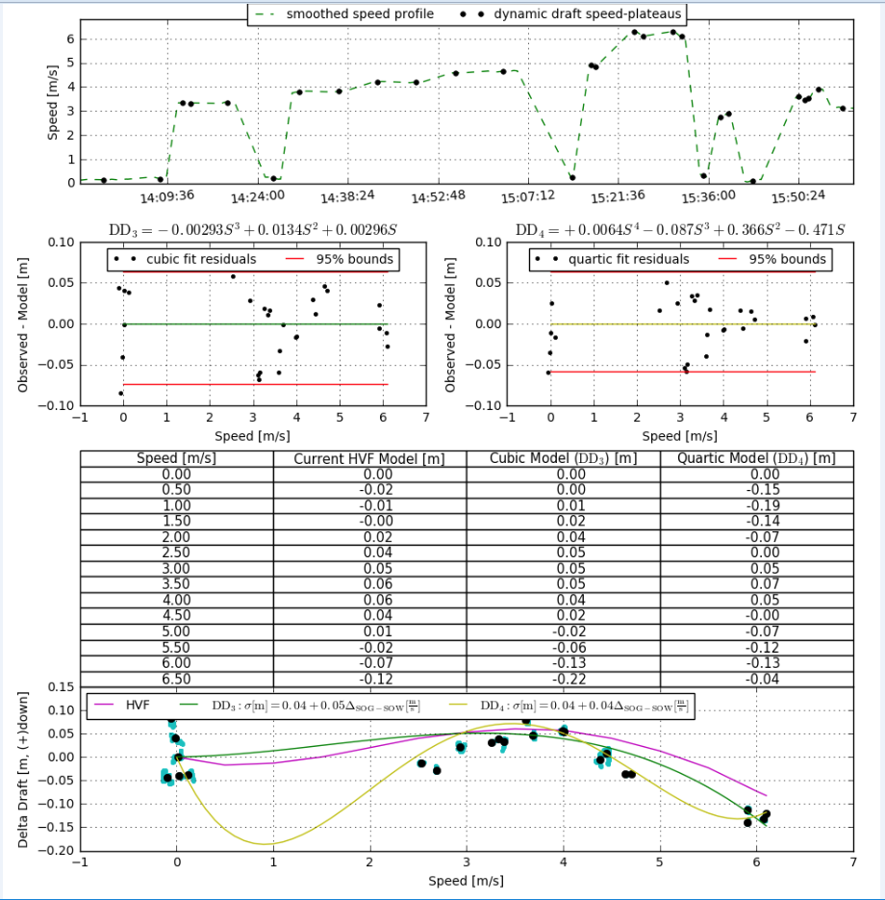
Speed M/S | Current HVF | Cubic Model | Cubic Model Diff | Cubic Model Diff Absolute Value | Quartic Model | Quartic Model Diff | Quartic Model Diff Absolute Value | Cubic Model, HVF Averages | HVF, Cubic Model Diff | Absolute Value | Vessel Difference
0 | 0 | 0 | 0 | 0 | 0 | 0 | 0 | 0 | 0 | 0 | 0 | Dynamic draft uncertainty
0.5 | -0.02 | 0 | 0.02 | 0.02 | -0.15 | -0.13 | 0.13 | -0.01 | -0.02 | 0.02 | -0.01 | 0.04
1 | -0.01 | 0.01 | 0.02 | 0.02 | -0.19 | -0.18 | 0.18 | 0 | -0.02 | 0.02 | -0.015
1.5 | 0 | 0.02 | 0.02 | 0.02 | -0.14 | -0.14 | 0.14 | 0.01 | -0.02 | 0.02 | -0.015
2 | 0.02 | 0.04 | 0.02 | 0.02 | -0.07 | -0.09 | 0.09 | 0.03 | -0.02 | 0.02 | -0.015
2.5 | 0.04 | 0.05 | 0.01 | 0.01 | 0 | -0.04 | 0.04 | 0.045 | -0.01 | 0.01 | -0.015
3 | 0.05 | 0.05 | 0 | 0 | 0.05 | 0 | 0 | 0.05 | 0 | 0 | -0.015
3.5 | 0.06 | 0.05 | -0.01 | 0.01 | 0.07 | 0.01 | 0.01 | 0.055 | 0.01 | 0.01 | -0.015
4 | 0.06 | 0.04 | -0.02 | 0.02 | 0.05 | -0.01 | 0.01 | 0.05 | 0.02 | 0.02 | -0.015
4.5 | 0.04 | 0.02 | -0.02 | 0.02 | 0 | -0.04 | 0.04 | 0.03 | 0.02 | 0.02 | -0.015
5 | 0.01 | -0.02 | -0.03 | 0.03 | -0.07 | -0.08 | 0.08 | -0.005 | 0.03 | 0.03 | -0.025
5.5 | -0.02 | -0.06 | -0.04 | 0.04 | -0.12 | -0.1 | 0.1 | -0.04 | 0.04 | 0.04 | -0.015
6 | -0.07 | -0.13 | -0.06 | 0.06 | -0.13 | -0.06 | 0.06 | -0.1 | 0.06 | 0.06 | -0.015
6.5 | -0.12 | -0.22 | -0.1 | 0.1 | -0.04 | 0.08 | 0.08 | -0.17 | 0.1 | 0.1 | -0.06

